Final Desired Orbit
Final Operating Orbit |  |  |  |  |  |  |  |  |  | Metric Value Derivations
ID | Option | Time | Inclination | Perihelion | Period | ∆V | Cost | Value |  | Metric | Source
5.1 | Elliptical Orbit (Venus flyby) | 2.79 | 75 | 0.046 | 88.28 | 2.5 | 0.715 | 3.543 |  | Time (years) | Requierd time to achieve the final orbit
5.2 | Elliptical Orbit (Earth flyby) | 3.04 | 75 | 0.20 | 174.02 | 11.2 | 1.627 | 2.992 |  | inclination (deg) | The desired inclination of the orbit (>=75 deg is required)
5.3 | Elliptical Orbit (Mars flyby) | 12.00 | 75 | 0.30 | 319.70 | 2.9 | 2.289 | 2.657 |  | Perihelion (AU) | The shortest distance to the Sun
5.4 | Modified Ulysses orbit (Jupiter flyby) | 5.5 | 79.11 | 0.90 | 2042.1 | 8.8 | 1.797 | 1.111 |  | Period (days) | How frequently the spacecraft can observe poles of the Sun
5.5 | Circular orbit (Spiral + Orbit Cranking) | 4.9 | 75~90 | 0.48 | 121.47 | 0 | 0.817 | 2.170 |  | ∆V (km/s) | Required ∆V to achieve the final orbit
5.6 | Non-Keplarian Orbit (beta=0.8) | 7 | 75 | 0.48 | 271.60 | 0 | 1.167 | 2.140
 |  |  |  |  |  |  |  |  |  | Value and Cost Functions
 |  |  |  |  |  |  |  |  |  | Cost | (Time / 6 years) + (∆V /10)
 |  |  |  |  |  |  |  |  |  | Value | 0.9*(2-Perihelion)^2 + 0.1*10/sqrt(Period)
Final Desired Orbit

 |  |  |  |  |  |  |  |  |  | Delta-V Budget Wikipedia

 | Option | Time | Inclination | Perihelion | Aphelion | Period | semi-major axis
 | Elliptical Orbit - Venus flyby |  | 75 | 0.046 | 0.73 | 88.27856959 | 58044800
 | Elliptical Orbit - Earth flyby |  | 75 | 0.2 | 1.02 | 174.0213172 | 91256000
 | Elliptical Orbit - Mars flyby |  |  | 0.3 | 1.53 | 319.6975737 | 136884000
 | Modified Ulysses orbit | ~3 years | 79.11 | 0.9 | 5.4 | 2042.083658 | 471240000
 | Circular orbit (Orbit Cranking) |  | 75 | 0.48 | 0.48 | 121.4701465
 | Non-Keplarian Orbit |  | 75 |  |  | 270

 | Option | Potential ∆V Gain (km/s) | Mission Compatibility (out of 10) | Time Required from Earth (days) | ∆V Required (km/s) | # Gravity assist (Estimated) | Orbital Period (days)
 | Venus | 11.2 | 8 | 120 | 2.5 | 5 | 224.7 | 1018.8 | 2.789322382
 | Jupiter | 14 | 7 | 730 | 8.8 | 1 | 4335.5175 | 730 | 1.998631075
 | Mars | 11.3 | 6 | 259.25 | 2.9 | 7 | 686.99 | 4381.19 | 11.99504449
 | Earth | 5.2 | 3 | 15 | 11.2 | 4 | 365.26 | 1110.78 | 3.041149897
 | Mercury | 13.3 | 2 | 106.75 | 7.5
 | Moon | 0.9 | 1 | 3 | 6.1

Flybys
Planetary Flybys |  |  |  |  |  |  |  | Metric Value Derivations
ID | Option | Potential ∆V Gain | Mission Compatibility | Time Required from Earth | ∆V Required | Cost | Value | Metric | Source
6.1 | Venus | 11.2 | 8 | 120 | 2.5 | 10.3 | 896 | Potential ∆V Gain | ∆V that can be gained from gravity assist
6.2 | Jupiter | 14 | 7 | 730 | 8.8 | 220.0 | 980 | Mission Compatibility | How compatible a flyby subject is with our mission goals and instrument package
6.3 | Mars | 11.3 | 6 | 259.25 | 2.9 | 25.7 | 678 | Time Required from Earth | Amount of days to get there (generally)
6.4 | Earth | 5.2 | 3 | 15 | 11.2 | 5.8 | 156 | ∆V Required (km/s) | ∆V required to enter gravity assist
6.5 | Mercury | 13.3 | 2 | 106.75 | 7.5 | 27.4 | 266
6.6 | Moon | 0.9 | 1 | 3 | 6.1 | 0.6 | 9
 |  |  |  |  |  |  |  | Value and Cost Functions
 |  |  |  |  |  |  |  | Cost | 100 * (Time Required/ 8 years) * (∆V Required/10)
 |  |  |  |  |  |  |  | Value | 100*(Mission Compatibility/10)* ∆V Gain

 | Venus | 10.3 | 896
 | Jupiter | 220.0 | 980
 | Mars | 25.7 | 678
 | Earth | 5.8 | 156
 | Mercury | 27.4 | 266
Planet Flyby Pareto
 | Moon | 0.6 | 9

Initial Orbit
Initial Orbit |  |  |  |  |  |  |  | Metric Value Derivations
ID | Option | Mass | Inclination | Compatibility | dV to Escape | Cost | Value | Metric | Source
7.1 | LEO | 1 | 28.5 | 1 | 5.51 | 63.80 | 49.40 | Mass | How much mass can be taken to that orbit. Normalized by LEO mass (10,784 kg) (0 to 1) | Determined by Atlas V numbers, launch vehicle may add some variance to the actual ratios.
7.2 | Sun Synchronous | 0.77 | 98 | 3 | 5.38 | 78.52 | 86.42 | Inclination | Inclination (deg) | Launch assumed from Cape Canaveral
7.3 | Heliocentric | 0.25 | 28.5 | 4 | 0 | 26.16 | 51.04 | Compatibility | Determined by how well it fits mission objectives (1-5). | Determined by how well the orbit fits with the inclination change and flyby options. LEO (200km) would increase mass significantly, but would need additional propulsion systems to escape the low altitude and low inclined orbit. Sun Synchronous has a similar issue of needing more propulsion, but surpasses the desired inclination. This will decrease delta V costs after escaping Earth. Heliocentric orbits achieve escape velocity which allows the spacecraft to immediately proceed with mission. However, this means the launch window will be more restricted and the spacecraft will not have time to calibrate.
 |  |  |  |  |  |  |  | dV to Escape | delta V needed to escape Earth at that orbit (km/s)

 |  |  |  |  |  |  |  | Value and Cost Functions
 |  |  |  |  |  |  |  | Cost | 60*(dV to Escape/5.505)+30*(1-Mass)+10*(Inclin/75)
 |  |  |  |  |  |  |  | Value | 30*Mass + 30*(Inclin/75) + 40*(Compatibility/5)

Value vs. Cost

Inclination Change
Inclination Change Method |  |  |  |  |  |  | Metric Value Derivations
ID | Option | dV Cost | Time | Feasibility | Cost | Value | Metric | Source
8.1 | Direct Transfer from 1 AU | 2.04 | 36.00 | 0.01 | 78 | 10 | dV Cost | (1-((dV expended) / 43 km/s))*100 | 43 km/s was max for single impulsive burn
8.2 | Bielliptic Transfer | 17.20 | 4.50 | 0.2 | 77 | 26 | Time | ((6 years after launch)/(Est time to 75 deg inc) + (3 years after launch)/(Est time to 30 deg inc)) *
8.3 | Solar Sail | 100.00 | 1.61 | 0.7 | 52 | 32 | Feasibility | Team confidence in method with technical limitations and past mission usage considerations (0-1)
8.4 | Gravity Assist Inner Planets | 88.37 | 2.70 | 0.9 | 28 | 69
8.5 | Gravity Assist Outer Planets | 76.74 | 2.00 | 0.9 | 54 | 51

 |  |  |  |  |  |  | Value and Cost Functions
 |  |  |  |  |  |  | Cost | 100 - (0.3*(dVCost * Time))
 |  |  |  |  |  |  | Value | (Time * Feasibility)/3.5 * 100
Inclination Change Method Pareto

 | Direct Transfer from 1 AU | 78
 | Bielliptic Transfer | 77
 | Solar Sail | 52
 | Gravity Assist Inner Planets | 28
 | Gravity Assist Outer Planets | 54

Usage Example - Matrix
Scientific Payload |  |  |  |  |  |  |  | Metric Value Derivations
ID | Option | Science | Power | Mass | Reliability | Cost | Value | Metric | Source
1 | Whatever SOLARIS had |  |  |  |  |  |  | Science | How well they satesfy needs outlined in the Heliophysics Decadal Survey (0-100)
2 | COR | 10 | 15 | 10 | 90% | 11 | 9 | Power | (rated operating power) * (duty cycle)
3 | TSI | 10 | 14 | 7 | 90% | 8.4 | 9 | Mass | (rated mass) + (estimate of support hardware) | Example note: "Support hardware could be additional mass of booms required to separate sensor components or biaxial gimbals to mound sensor to for precision tracking"
4 | EUVI | 10 | 12 | 10 | 90% | 10.4 | 9 | Reliability | IDK on this one boys I'm getting tired
5 | DSI | 10 | 37 | 25 | 90% | 27.4 | 9
6 | COR + TSI | 20 | 29 | 17 | 99% | 19.4 | 19.8
7 | COR + TSI + EUVI | 30 | 41 | 27 | 100% | 29.8 | 29.97 | Value and Cost Functions
8 | COR + TSI + EUVI + DSI | 40 | 78 | 52 | 100% | 57.2 | 39.996 | Cost | 0.8*Mass + 0.2*Power | Example note: "Since we are most likely operating in ranges where solar-power is effecient, mass requirements would be tighter than power requirements and thus weighted higher"
 |  |  |  |  |  |  |  | Value | Science*Reliability | Example note: "Sensors with higher reliability should be rewarded on top of sensors that collect cool data"

Example Pareto Frontier
 |  |  |  |  |  |  |  | Key
 |  |  |  |  |  |  |  | Acronym | Expansion
 |  |  |  |  |  |  |  | COR | Coronagraph
 |  |  |  |  |  |  |  | TSI | Total Solar Irradiance Monitor
 |  |  |  |  |  |  |  | EUVI | Extreme Ultra-Violet Imager
 |  |  |  |  |  |  |  | DSI | Doppler-Stokes Imager
 |  |  |  |  |  |  |  | UVS | Ultra-Violet Spectrograph
 |  |  |  |  |  |  |  | MAG | Magnetometer
 |  |  |  |  |  |  |  | SW | Solar Wind Ion Comp. and Electron Spec.
 |  |  |  |  |  |  |  | EPP | Energetic Particles Package (20 keV - 10 MeV)
 |  |  |  |  |  |  |  | RPW | Radio and Plasma Waves

Application of Propulsion
Application of Propulsion - Brett |  |  |  |  |  |  | Metric (on the order of 100) Value Derivations
ID | Option | Mass Requirement | Platform Mass Allowance | Mission Time (Post-Launch) | Cost | Value | Metric | Source
1 | Long - Duration | 3.75 | 5 | >6.7 years |  |  | Prop Mass Requirement | LongDuration: (platform mass coeff)^2*.15 | Short Duration (platform mass coeff)*.65
2 | Short - Duration | 3.25 | 5 | <5 years |  |  | Cost
 |  |  |  |  |  |  | Mass Allowance | Coefficient, independent variable in prop mass requirement eq
 |  |  |  |  |  |  | Time Requirement | Placeholders, rough numbers from Polaris Mission concept
 |  |  |  |  |  |  | Potential for Non-Keplerian Orbit

 |  |  |  |  |  |  | Value and Cost Functions (on the order of 100?)
 |  |  |  |  |  |  | Cost | 0.5*(Metric 2 + Metric 3)
 |  |  |  |  |  |  | Value | Metric 1

 |  |  |  |  |  |  | Long-Duration: Polaris Mission Concept (Solar Sail) | Short Duration (Impulse Based, chemical propulsion)

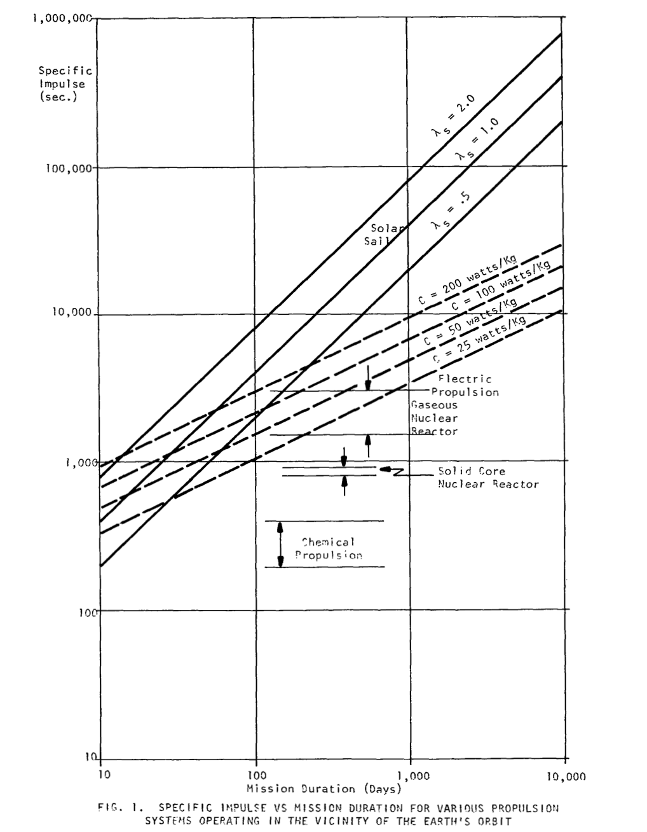

Long Duration Propulsion Methods | Solar Sail | Electron Sail/Engine
Shord Duration Propulsion Methods | Chemical | Ion | Nuclear | Electric Propulsion

Basic Solar Sail Physics
Comparison of Solar Sail with Electric, Nuclear, and Chemical Prop

